Table 1
 | Converting grades achieved abroad
 | This conversion table aids the conversion of module examinations completed abroad.
 | The “modified Bavarian formula” is used to convert grades from foreign universities to the German grading system.

 | Take the best possible grade in the foreign grading system and subtract the grade achieved. Divide this number by the difference of the best possible grade and the lowest passing grade. Multiply this quantity by 3 and add 1 to the resulting number.

 | Nmax | Best possible grade in the foreign grading system
 | Nmin | Lowest passing grade in the foreign grading system
 | Nd | Grade achieved abroad

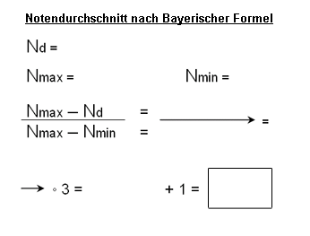
 |  |  | Surname | First name

 |  |  | To calculate, please enter the relevant grades:

 |  |  | Nmax | Nmin | Nd

 |  |  |  | Result | #DIV/0!
 |  |  |  | Rounded | #DIV/0!

Please fill in the blue fields, then print this page and attach it to the application for admission to a doctoral degree.

